Percents
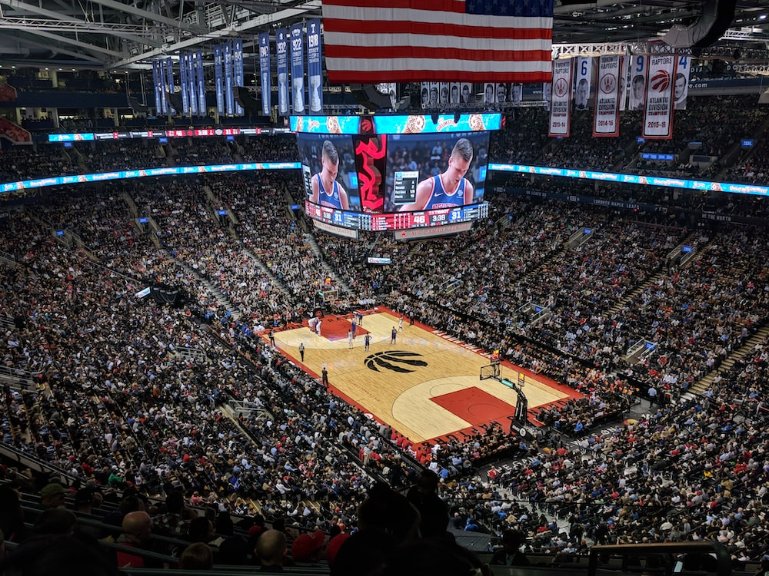

 |  |  |  |  |  |  |  |  |  |  |  |  | 10000

What percent of the seats were ocupied ? |  |  |  |  |  |  | How many people were in the Arena? |  |  |  |  | How Big is the Arena ?
$5,760.00 | Spectators
$10,000.00 | Capacity |  |  |  |  |  | 74% | Of Seats occupied |  |  |  | 25% | of seats occupied
 |  |  |  |  |  |  | $10,000.00 | Capacity |  |  |  | 2500 | People
Results | 57.6% |  |  |  |  |  | Results | $7,400.00 |  |  |  | Rsults | 10000

 | Calculating percentages

 | I have inveted $32.500.000 and after 2 months i have $51.200.000, So I want to know the percentages of my profit

 |  | $32,500,000.00 | $51,200,000.00 | 58% |  | $35,200,000.00 | $48,321,000.00 | 37%

 |  |  |  | $18,700,000.00 |  |  |  |  | $13,121,000.00

 |  |  | Calculating percentages

 |  | What is the percentage of the necesities of my Salary.
 |  | Salary
 |  | $5,000,000.00 |  | 55% | Necesities |  |  | 55%
 |  |  |  | $2,750,000.00

 |  |  | Calculating percentages

 |  |  |  | What percent of the seats were ocupied ?
 |  |  |  | 99000 | Capacity
 |  |  |  | 67500 | Spectators |  | 68%
 |  |  |  | Result | 68%

 |  |  | Calculating percentages

 |  |  |  | Im gonna increase the prices of the Car by 15%



 |  |  |  |  |  | Current Price | $125,000,000,000.00
 |  |  |  |  |  | 15% | 85%

 |  |  |  |  |  | Results | $18,750,000,000.00 |  | $18,750,000,000.00

 |  |  |  |  |  |  |  |  | $106,250,000,000.00
 |  |  |  |  |  |  | 15% |  | $18,750,000,000.00
 |  |  |  |  |  |  |  |  | $125,000,000,000.00

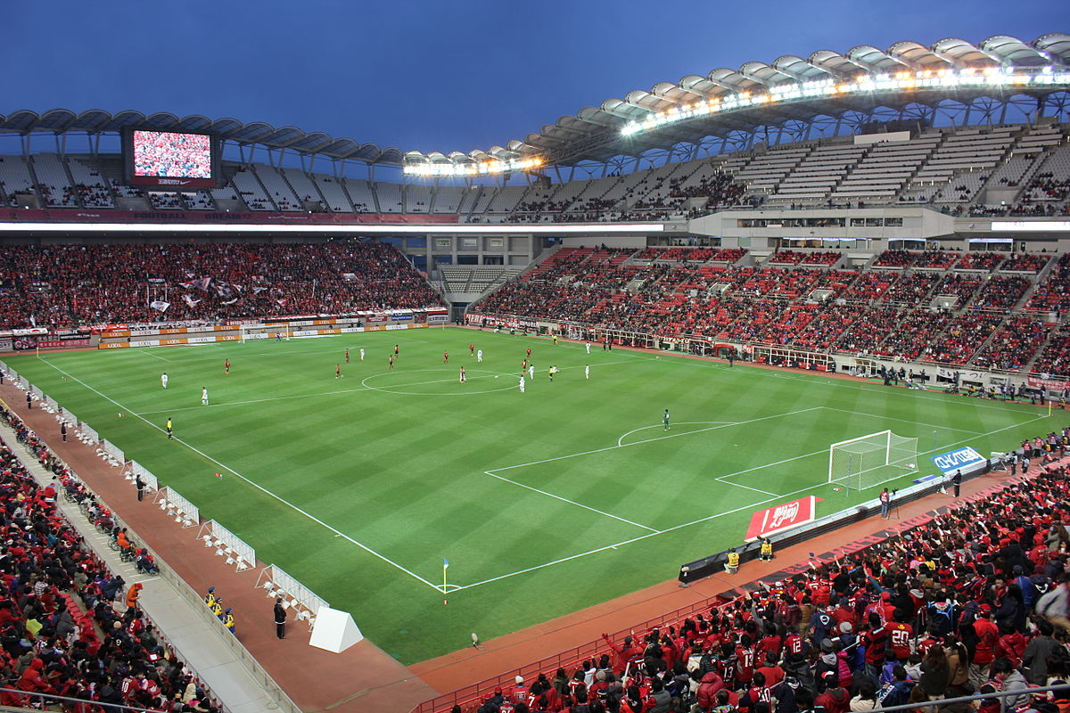

 |  |  |  |  |  | Capacity | 90000
 |  |  |  |  |  | Seats Occupied | 24200

 |  |  |  |  |  |  | 26.9%

 |  |  |  |  |  |  |  |  | 1
 |  |  |  |  |  |  |  |  | 2
 |  |  |  |  |  |  |  |  | 3
 |  |  |  |  |  |  |  |  | 4 |  | 6 | 0.42857142857
 |  |  |  |  |  |  |  |  | 5
 |  |  |  |  |  |  |  |  | 6 | 14
 |  |  |  |  |  |  |  |  | 7
 |  |  |  |  |  |  |  |  | 8 |  | 8
 |  |  |  |  |  |  |  |  | 9
 |  |  | 48% |  |  |  |  |  | 10
 |  |  | 10000 |  | 4800 |  |  |  | 11 |  |  | 57.14%
 |  |  |  |  |  |  |  |  | 12
 |  |  |  |  |  |  |  |  | 13
 |  |  |  |  |  |  |  |  | 14

 |  | $125.00 |  | 12 | 80
 | 25% | $500.00

